Sheet1
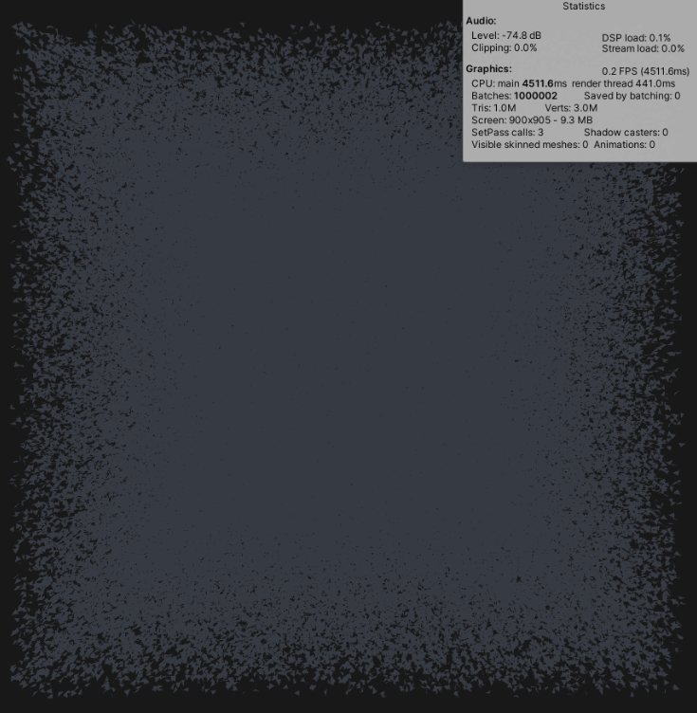
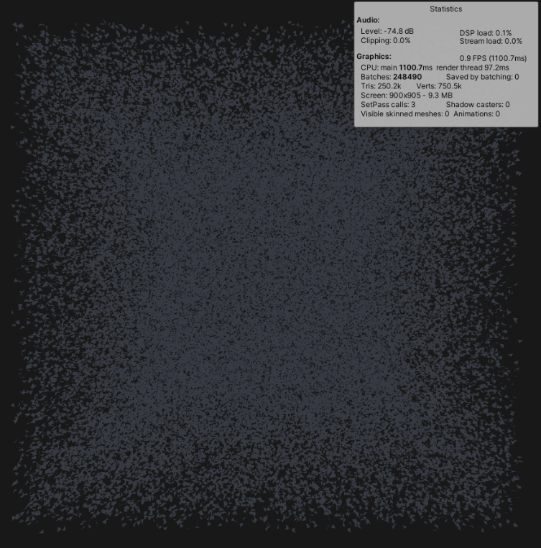
Software: |  | 100,000 points

GPU: GTX 1080 Ti |  | Non-optimized | Optimized
CPU: i5-6700k | FPS: | 6 FPS | 30 FPS
RAM: 16GB | CPU usage: | 45% CPU | 50%
 | GPU usage: | 23% GPU | 21%
 | RAM: | 500 MB | 450GB




 |  | 1,000,000 points

 |  | Non-optimized | Optimized
 | FPS: | 0,4 FPS | 1 FPS
 | CPU usage: | 45% CPU | 85%
 | GPU usage: | 25% GPU | 5%
 | RAM: | 5,9 GB | 6,6GB

